PDCA Project Dashboard
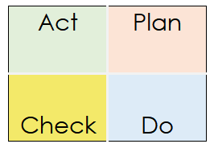
37%
PDCA Project Dashboard
Plan | Completion | Do | Completion
Analyze current bug resolution process | 100% | Implement the new bug categorization system | 100%
Brainstorm solutions for faster resolution | 80% | Test the new system on a pilot project | 90%
Select optimal solution for bug tracking | 100% | Gather feedback from developers and testers | 50%
Develop action plan for process changes | 100% | Action | 0%
Action | 0%
Action | 0%

Check | Completion | Act | Completion
Analyze bug resolution data post-implementation | 10% | Adjust categorization algorithm based on feedback | 6%
Evaluate whether resolution time meets targets | 0% | Update bug tracking documentation | 0%
Share results with stakeholders | 0% | Roll out system-wide implementation | 0%
 |  | Train team on updated process | 0%

